gsm_rxlev_sub_dbm
gsm_rxlev_sub_dbm Report

Sampling Distribution Histogram
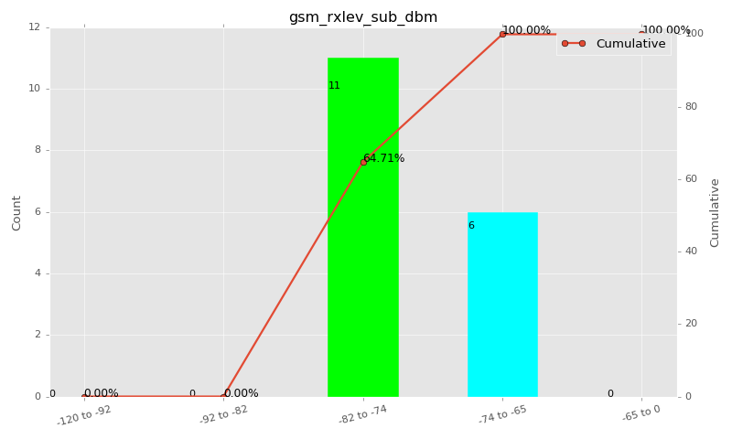

Sampling Distribution Table (first 10 ranges)
ColorXml | Lower | Upper | N Samples | Range | % | Cumulative %
 | -120 | -92 | 0 | -120 to -92 | 0.00 | 0.00
 | -92 | -82 | 0 | -92 to -82 | 0.00 | 0.00
 | -82 | -74 | 11 | -82 to -74 | 64.71 | 64.71
 | -74 | -65 | 6 | -74 to -65 | 35.29 | 100.00
 | -65 | 0 | 0 | -65 to 0 | 0.00 | 100.00

Basic statistics
N | 17
Mean | -75.53
SD | 1.55
MAX | -74.00
Median | -75.00
Min | -78.00

Geographical Plot

gsm_rxqual_sub
gsm_rxqual_sub Report

Sampling Distribution Histogram
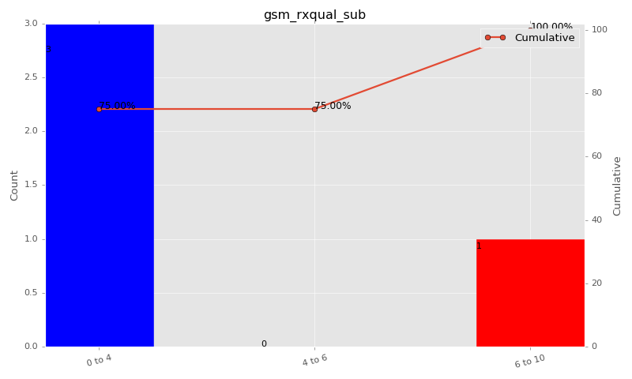

Sampling Distribution Table (first 10 ranges)
ColorXml | Lower | Upper | N Samples | Range | % | Cumulative %
 | 0 | 4 | 3 | 0 to 4 | 75.00 | 75.00
 | 4 | 6 | 0 | 4 to 6 | 0.00 | 75.00
 | 6 | 10 | 1 | 6 to 10 | 25.00 | 100.00

Basic statistics
N | 4
Mean | 1.75
SD | 3.50
MAX | 7.00
Median | 0.00
Min | 0.00

Geographical Plot

gsm_arfcn_bcch
gsm_arfcn_bcch Report

Sampling Distribution Histogram
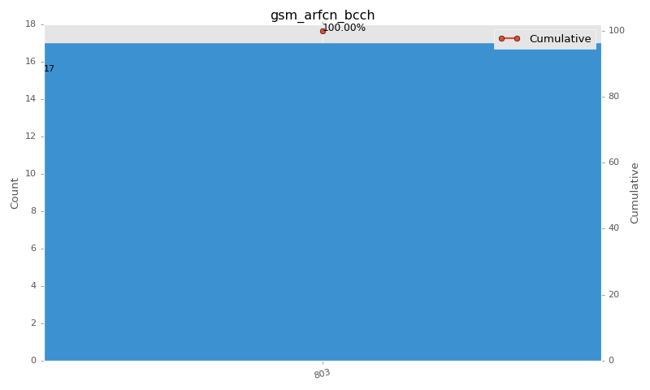

Sampling Distribution Table (first 10 ranges)
ColorXml | Lower | Upper | match_value | N Samples | Range | % | Cumulative %
 |  |  | 803 | 17 |  | 100.00 | 100.00

Basic statistics
N | 17
Mean | N/A (id-type column: gsm_arfcn_bcch)
SD | N/A (id-type column: gsm_arfcn_bcch)
MAX | N/A (id-type column: gsm_arfcn_bcch)
Median | N/A (id-type column: gsm_arfcn_bcch)
Min | N/A (id-type column: gsm_arfcn_bcch)

Geographical Plot

lte_l1_dl_throughput_all_carri
lte_l1_dl_throughput_all_carriers Report

Sampling Distribution Histogram
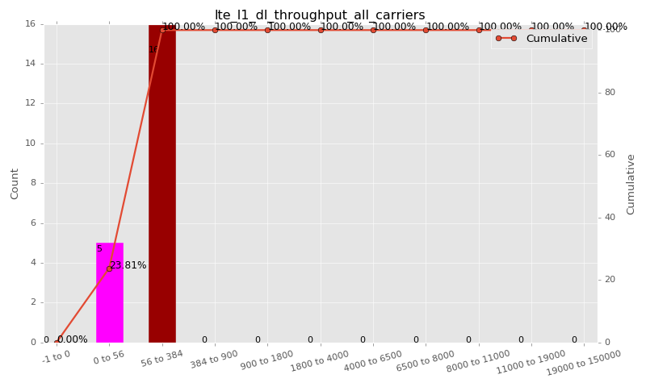

Sampling Distribution Table (first 10 ranges)
ColorXml | Lower | Upper | N Samples | Range | % | Cumulative %
 | -1 | 0 | 0 | -1 to 0 | 0.00 | 0.00
 | 0 | 56 | 5 | 0 to 56 | 23.81 | 23.81
 | 56 | 384 | 16 | 56 to 384 | 76.19 | 100.00
 | 384 | 900 | 0 | 384 to 900 | 0.00 | 100.00
 | 900 | 1800 | 0 | 900 to 1800 | 0.00 | 100.00
 | 1800 | 4000 | 0 | 1800 to 4000 | 0.00 | 100.00
 | 4000 | 6500 | 0 | 4000 to 6500 | 0.00 | 100.00
 | 6500 | 8000 | 0 | 6500 to 8000 | 0.00 | 100.00
 | 8000 | 11000 | 0 | 8000 to 11000 | 0.00 | 100.00
 | 11000 | 19000 | 0 | 11000 to 19000 | 0.00 | 100.00

Basic statistics
N | 21
Mean | 105.52
SD | 66.54
MAX | 232.00
Median | 117.90
Min | 1.76

Geographical Plot

lte_inst_rsrp_1
lte_inst_rsrp_1 Report

Sampling Distribution Histogram
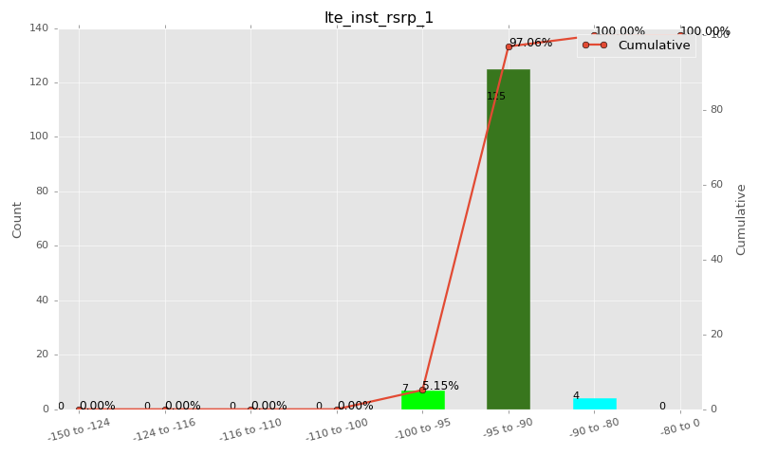

Sampling Distribution Table (first 10 ranges)
ColorXml | Lower | Upper | N Samples | Range | % | Cumulative %
 | -150 | -124 | 0 | -150 to -124 | 0.00 | 0.00
 | -124 | -116 | 0 | -124 to -116 | 0.00 | 0.00
 | -116 | -110 | 0 | -116 to -110 | 0.00 | 0.00
 | -110 | -100 | 0 | -110 to -100 | 0.00 | 0.00
 | -100 | -95 | 7 | -100 to -95 | 5.15 | 5.15
 | -95 | -90 | 125 | -95 to -90 | 91.91 | 97.06
 | -90 | -80 | 4 | -90 to -80 | 2.94 | 100.00
 | -80 | 0 | 0 | -80 to 0 | 0.00 | 100.00

Basic statistics
N | 136
Mean | -92.66
SD | 1.82
MAX | -87.81
Median | -93.08
Min | -96.22

Geographical Plot

lte_inst_rsrq_1
lte_inst_rsrq_1 Report

Sampling Distribution Histogram
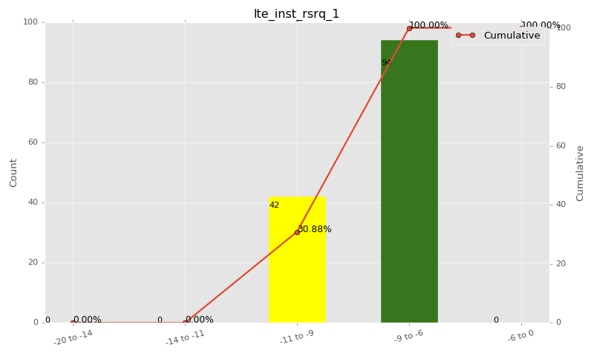

Sampling Distribution Table (first 10 ranges)
ColorXml | Lower | Upper | N Samples | Range | % | Cumulative %
 | -20 | -14 | 0 | -20 to -14 | 0.00 | 0.00
 | -14 | -11 | 0 | -14 to -11 | 0.00 | 0.00
 | -11 | -9 | 42 | -11 to -9 | 30.88 | 30.88
 | -9 | -6 | 94 | -9 to -6 | 69.12 | 100.00
 | -6 | 0 | 0 | -6 to 0 | 0.00 | 100.00

Basic statistics
N | 136
Mean | -8.42
SD | 1.26
MAX | -6.31
Median | -8.21
Min | -10.88

Geographical Plot

lte_inst_rssi_1
lte_inst_rssi_1 Report

Sampling Distribution Histogram
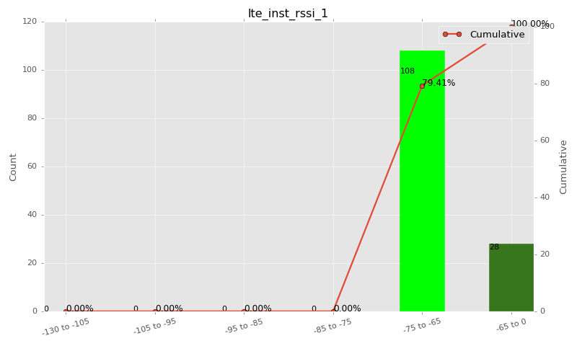

Sampling Distribution Table (first 10 ranges)
ColorXml | Lower | Upper | N Samples | Range | % | Cumulative %
 | -130 | -105 | 0 | -130 to -105 | 0.00 | 0.00
 | -105 | -95 | 0 | -105 to -95 | 0.00 | 0.00
 | -95 | -85 | 0 | -95 to -85 | 0.00 | 0.00
 | -85 | -75 | 0 | -85 to -75 | 0.00 | 0.00
 | -75 | -65 | 108 | -75 to -65 | 79.41 | 79.41
 | -65 | 0 | 28 | -65 to 0 | 20.59 | 100.00

Basic statistics
N | 136
Mean | -66.99
SD | 2.33
MAX | -59.69
Median | -67.19
Min | -71.56

Geographical Plot

lte_sinr_rx0_1
lte_sinr_rx0_1 Report

Sampling Distribution Histogram
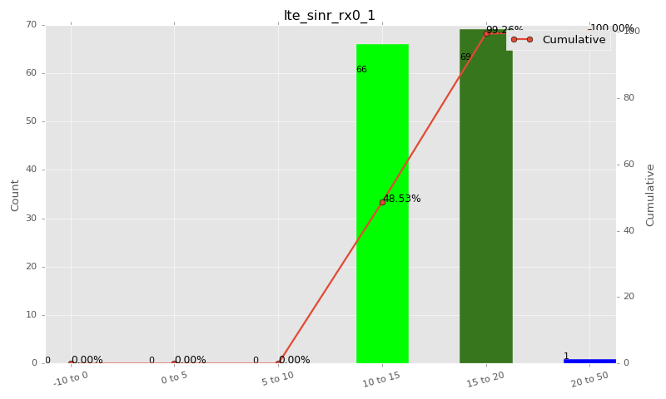

Sampling Distribution Table (first 10 ranges)
ColorXml | Lower | Upper | N Samples | Range | % | Cumulative %
 | -10 | 0 | 0 | -10 to 0 | 0.00 | 0.00
 | 0 | 5 | 0 | 0 to 5 | 0.00 | 0.00
 | 5 | 10 | 0 | 5 to 10 | 0.00 | 0.00
 | 10 | 15 | 66 | 10 to 15 | 48.53 | 48.53
 | 15 | 20 | 69 | 15 to 20 | 50.74 | 99.26
 | 20 | 50 | 1 | 20 to 50 | 0.74 | 100.00

Basic statistics
N | 136
Mean | 15.16
SD | 2.07
MAX | 20.30
Median | 15.00
Min | 11.60

Geographical Plot

lte_sinr_rx1_1
lte_sinr_rx1_1 Report

Sampling Distribution Histogram
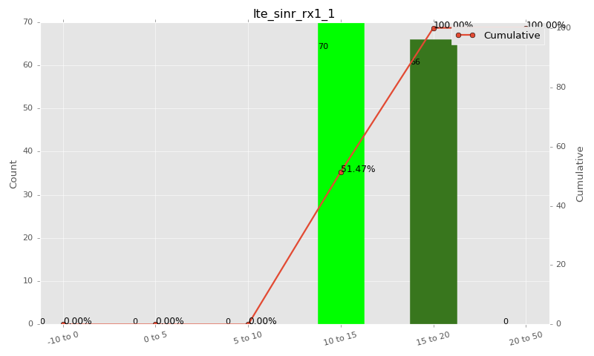

Sampling Distribution Table (first 10 ranges)
ColorXml | Lower | Upper | N Samples | Range | % | Cumulative %
 | -10 | 0 | 0 | -10 to 0 | 0.00 | 0.00
 | 0 | 5 | 0 | 0 to 5 | 0.00 | 0.00
 | 5 | 10 | 0 | 5 to 10 | 0.00 | 0.00
 | 10 | 15 | 70 | 10 to 15 | 51.47 | 51.47
 | 15 | 20 | 66 | 15 to 20 | 48.53 | 100.00
 | 20 | 50 | 0 | 20 to 50 | 0.00 | 100.00

Basic statistics
N | 136
Mean | 14.72
SD | 2.23
MAX | 19.80
Median | 14.90
Min | 10.10

Geographical Plot

lte_physical_cell_id_1
lte_physical_cell_id_1 Report

Sampling Distribution Histogram
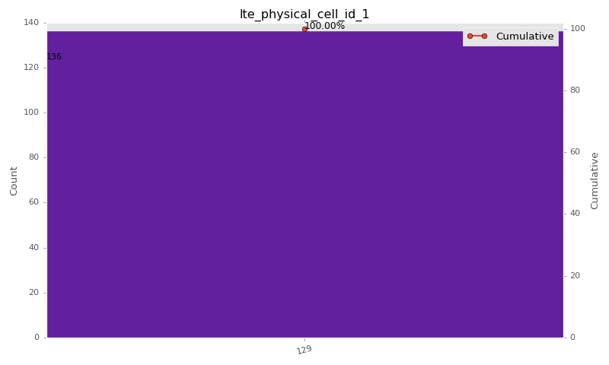

Sampling Distribution Table (first 10 ranges)
ColorXml | Lower | Upper | match_value | N Samples | Range | % | Cumulative %
 |  |  | 129 | 136 |  | 100.00 | 100.00

Basic statistics
N | 136
Mean | N/A (id-type column: lte_physical_cell_id_1)
SD | N/A (id-type column: lte_physical_cell_id_1)
MAX | N/A (id-type column: lte_physical_cell_id_1)
Median | N/A (id-type column: lte_physical_cell_id_1)
Min | N/A (id-type column: lte_physical_cell_id_1)

Geographical Plot

lte_earfcn_1
lte_earfcn_1 Report

Sampling Distribution Histogram
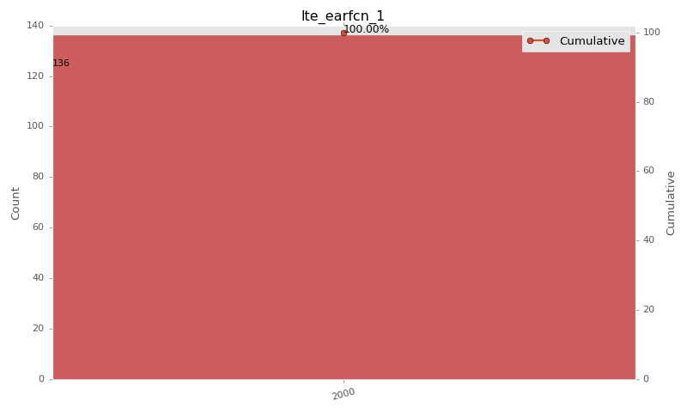

Sampling Distribution Table (first 10 ranges)
ColorXml | Lower | Upper | match_value | N Samples | Range | % | Cumulative %
 |  |  | 2000 | 136 |  | 100.00 | 100.00

Basic statistics
N | 136
Mean | N/A (id-type column: lte_earfcn_1)
SD | N/A (id-type column: lte_earfcn_1)
MAX | N/A (id-type column: lte_earfcn_1)
Median | N/A (id-type column: lte_earfcn_1)
Min | N/A (id-type column: lte_earfcn_1)

Geographical Plot

